1
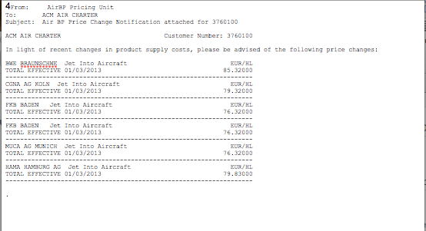
 | AIRPORT | IATA | ICAO | COUNTRY | Base Price Range From | Base Price Range To | BASE PRICE | Estimated Taxes | Estimated Total Price | CURRENCY | AMOUNT | UNIT | VALID FROM | VALID TO | FBO | MERCHANT | SUPPLIER | FUEL TYPE | FUEL LOCATION | NOTES | contact details E-Mail | contact details phone | contact details FAX
1 | Braunschweig | BWE |  | Germany | 1 | 99999 | 85.32000 |  |  | EUR | 1000 | L | 2013-03-01 |  |  |  | Air BP | Jet A1 |  | Jet into Aircraft
2 | Köln | CGN |  | Germany | 1 | 99999 | 79.32000 |  |  | EUR | 1000 | L | 2013-03-01 |  |  |  | Air BP | Jet A2 |  | Jet into Aircraft
3 | Baden | FKB |  | Germany | 1 | 99999 | 76.32000 |  |  | EUR | 1000 | L | 2013-03-01 |  |  |  | Air BP | Jet A3 |  | Jet into Aircraft
4 | Munich | MUC |  | Germany | 1 | 99999 | 76.32000 |  |  | EUR | 1000 | L | 2013-03-01 |  |  |  | Air BP | Jet A4 |  | Jet into Aircraft
5 | Hamburg | HAM |  | Germany | 1 | 99999 | 79.83000 |  |  | EUR | 1000 | L | 2013-03-01 |  |  |  | Air BP | Jet A5 |  | Jet into Aircraft

3
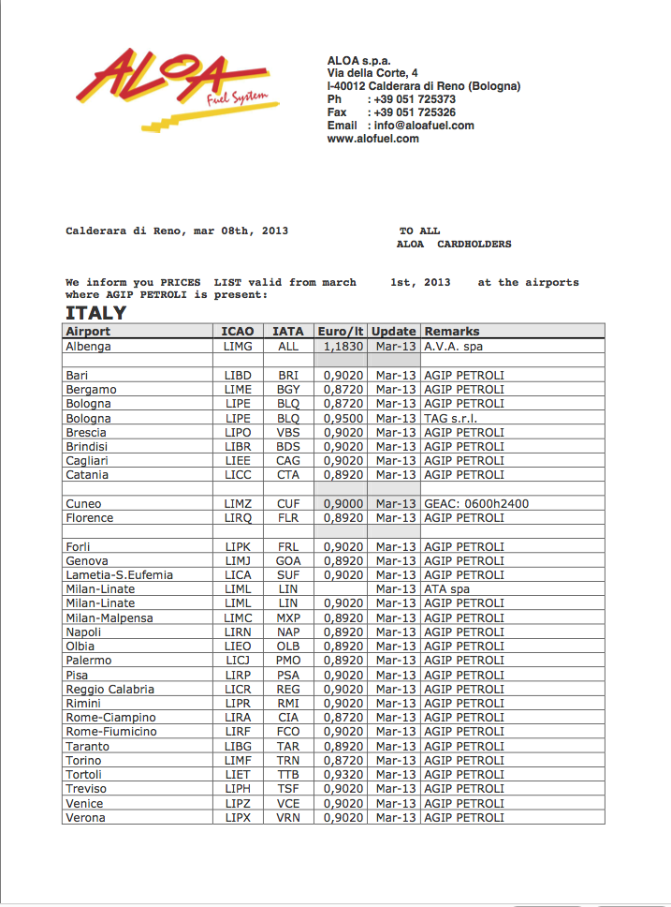
AIRPORT | IATA | ICAO | COUNTRY | Base Price Range From | Base Price Range To | BASE PRICE | Estimated Taxes | Estimated Total Price | CURRENCY | AMOUNT | UNIT | VALID FROM | VALID TO | FBO | MERCHANT | SUPPLIER | FUEL TYPE | FUEL LOCATION | NOTES | contact details E-Mail | contact details phone | contact details FAX
Albenga |  | LIMG | Italy | 1 | 99999 | 1.1830 |  |  | EUR | 1 | L | 2013-03-01 | 2013-03-31 |  |  | A.V.A. spa | Jet A-1 |  |  | info@aloafuel.com | +39 051 725373 | +39 051 725326
Bari |  | LIBD | Italy | 1 | 99999 | 0.9020 |  |  | EUR | 1 | L | 2013-03-01 | 2013-03-31 |  |  | AGIP PETROLI | Jet A-2 |  |  | info@aloafuel.com | +39 051 725373 | +39 051 725326
Bergamo |  | LIME | Italy | 1 | 99999 | 0.8720 |  |  | EUR | 1 | L | 2013-03-01 | 2013-03-31 |  |  | AGIP PETROLI | Jet A-3 |  |  | info@aloafuel.com | +39 051 725373 | +39 051 725326
Bologna |  | LIPE | Italy | 1 | 99999 | 0.8720 |  |  | EUR | 1 | L | 2013-03-01 | 2013-03-31 |  |  | AGIP PETROLI | Jet A-4 |  |  | info@aloafuel.com | +39 051 725373 | +39 051 725326
Bologna |  | LIPE | Italy | 1 | 99999 | 0.9500 |  |  | EUR | 1 | L | 2013-03-01 | 2013-03-31 |  |  | TAG s.r.l. | Jet A-5 |  |  | info@aloafuel.com | +39 051 725373 | +39 051 725326
Brescia |  | LIPO | Italy | 1 | 99999 | 0.9020 |  |  | EUR | 1 | L | 2013-03-01 | 2013-03-31 |  |  | AGIP PETROLI | Jet A-6 |  |  | info@aloafuel.com | +39 051 725373 | +39 051 725326
Brindisi |  | LIBR | Italy | 1 | 99999 | 0.9020 |  |  | EUR | 1 | L | 2013-03-01 | 2013-03-31 |  |  | AGIP PETROLI | Jet A-7 |  |  | info@aloafuel.com | +39 051 725373 | +39 051 725326
Cagliari |  | LIEE | Italy | 1 | 99999 | 0.9020 |  |  | EUR | 1 | L | 2013-03-01 | 2013-03-31 |  |  | AGIP PETROLI | Jet A-8 |  |  | info@aloafuel.com | +39 051 725373 | +39 051 725326
Catania |  | LICC | Italy | 1 | 99999 | 0.8920 |  |  | EUR | 1 | L | 2013-03-01 | 2013-03-31 |  |  | AGIP PETROLI | Jet A-9 |  |  | info@aloafuel.com | +39 051 725373 | +39 051 725326
Cuneo |  | LIMZ | Italy | 1 | 99999 | 0.9000 |  |  | EUR | 1 | L | 2013-03-01 | 2013-03-31 |  |  |  | Jet A-10 |  | GEAC:n 0600h 2400h | info@aloafuel.com | +39 051 725373 | +39 051 725326
Florence |  | LIRQ | Italy | 1 | 99999 | 0.8920 |  |  | EUR | 1 | L | 2013-03-01 | 2013-03-31 |  |  | AGIP PETROLI | Jet A-11 |  |  | info@aloafuel.com | +39 051 725373 | +39 051 725326
Forli |  | LIPK | Italy | 1 | 99999 | 0.9020 |  |  | EUR | 1 | L | 2013-03-01 | 2013-03-31 |  |  | AGIP PETROLI | Jet A-12 |  |  | info@aloafuel.com | +39 051 725373 | +39 051 725326
Genova |  | LIMJ | Italy | 1 | 99999 | 0.8920 |  |  | EUR | 1 | L | 2013-03-01 | 2013-03-31 |  |  | AGIP PETROLI | Jet A-13 |  |  | info@aloafuel.com | +39 051 725373 | +39 051 725326
Lametia-S.Eufemia |  | LICA | Italy | 1 | 99999 | 0.9020 |  |  | EUR | 1 | L | 2013-03-01 | 2013-03-31 |  |  | AGIP PETROLI | Jet A-14 |  |  | info@aloafuel.com | +39 051 725373 | +39 051 725326
Milan Linate |  | LIML | Italy | 1 | 99999 | 0.9020 |  |  | EUR | 1 | L | 2013-03-01 | 2013-03-31 |  |  | AGIP PETROLI | Jet A-16 |  |  | info@aloafuel.com | +39 051 725373 | +39 051 725326
Milan Malpensa |  | LIMC | Italy | 1 | 99999 | 0.8920 |  |  | EUR | 1 | L | 2013-03-01 | 2013-03-31 |  |  | AGIP PETROLI | Jet A-17 |  |  | info@aloafuel.com | +39 051 725373 | +39 051 725326
Napoli |  | LIRN | Italy | 1 | 99999 | 0.8920 |  |  | EUR | 1 | L | 2013-03-01 | 2013-03-31 |  |  | AGIP PETROLI | Jet A-18 |  |  | info@aloafuel.com | +39 051 725373 | +39 051 725326
Olbia |  | LIEO | Italy | 1 | 99999 | 0.8920 |  |  | EUR | 1 | L | 2013-03-01 | 2013-03-31 |  |  | AGIP PETROLI | Jet A-19 |  |  | info@aloafuel.com | +39 051 725373 | +39 051 725326
Palermo |  | LICJ | Italy | 1 | 99999 | 0.8920 |  |  | EUR | 1 | L | 2013-03-01 | 2013-03-31 |  |  | AGIP PETROLI | Jet A-20 |  |  | info@aloafuel.com | +39 051 725373 | +39 051 725326
Pisa |  | LIRP | Italy | 1 | 99999 | 0.9020 |  |  | EUR | 1 | L | 2013-03-01 | 2013-03-31 |  |  | AGIP PETROLI | Jet A-21 |  |  | info@aloafuel.com | +39 051 725373 | +39 051 725326
Reggio Calabria |  | LICR | Italy | 1 | 99999 | 0.9020 |  |  | EUR | 1 | L | 2013-03-01 | 2013-03-31 |  |  | AGIP PETROLI | Jet A-22 |  |  | info@aloafuel.com | +39 051 725373 | +39 051 725326
Rimini |  | LIPR | Italy | 1 | 99999 | 0.9020 |  |  | EUR | 1 | L | 2013-03-01 | 2013-03-31 |  |  | AGIP PETROLI | Jet A-23 |  |  | info@aloafuel.com | +39 051 725373 | +39 051 725326
Rome-Ciampino |  | LIRA | Italy | 1 | 99999 | 0.8720 |  |  | EUR | 1 | L | 2013-03-01 | 2013-03-31 |  |  | AGIP PETROLI | Jet A-24 |  |  | info@aloafuel.com | +39 051 725373 | +39 051 725326
Rome Fiumicino |  | LIRF | Italy | 1 | 99999 | 0.9020 |  |  | EUR | 1 | L | 2013-03-01 | 2013-03-31 |  |  | AGIP PETROLI | Jet A-25 |  |  | info@aloafuel.com | +39 051 725373 | +39 051 725326
Taranto |  | LIBG | Italy | 1 | 99999 | 0.8920 |  |  | EUR | 1 | L | 2013-03-01 | 2013-03-31 |  |  | AGIP PETROLI | Jet A-26 |  |  | info@aloafuel.com | +39 051 725373 | +39 051 725326
Torino |  | LIMF | Italy | 1 | 99999 | 0.8720 |  |  | EUR | 1 | L | 2013-03-01 | 2013-03-31 |  |  | AGIP PETROLI | Jet A-27 |  |  | info@aloafuel.com | +39 051 725373 | +39 051 725326
Tortoli |  | LIET | Italy | 1 | 99999 | 0.9320 |  |  | EUR | 1 | L | 2013-03-01 | 2013-03-31 |  |  | AGIP PETROLI | Jet A-28 |  |  | info@aloafuel.com | +39 051 725373 | +39 051 725326
Treviso |  | LIPH | Italy | 1 | 99999 | 0.9020 |  |  | EUR | 1 | L | 2013-03-01 | 2013-03-31 |  |  | AGIP PETROLI | Jet A-29 |  |  | info@aloafuel.com | +39 051 725373 | +39 051 725326
Venice |  | LIPZ | Italy | 1 | 99999 | 0.9020 |  |  | EUR | 1 | L | 2013-03-01 | 2013-03-31 |  |  | AGIP PETROLI | Jet A-30 |  |  | info@aloafuel.com | +39 051 725373 | +39 051 725326
Verona |  | LIPX | Italy | 1 | 99999 | 0.9020 |  |  | EUR | 1 | L | 2013-03-01 | 2013-03-31 |  |  | AGIP PETROLI | Jet A-31 |  |  | info@aloafuel.com | +39 051 725373 | +39 051 725326
Djerba |  | DTTJ | Tunesia | 1 | 99999 | 0.7820 |  |  | EUR | 1 | L | 2013-03-01 | 2013-03-31 |  |  | AGIP PETROLI | Jet A-32 |  |  | info@aloafuel.com | +39 051 725373 | +39 051 725326
Jeddah |  | OEJN | Saudi Arabia | 1 | 99999 | 0.8460 |  |  | EUR | 1 | L | 2013-03-01 | 2013-03-31 |  |  | AGIP PETROLI | Jet A-33 |  |  | info@aloafuel.com | +39 051 725373 | +39 051 725326
Mahe |  | FSIA | Seychelles | 1 | 99999 | 0.8710 |  |  | EUR | 1 | L | 2013-03-01 | 2013-03-31 |  |  | AGIP PETROLI | Jet A-34 |  |  | info@aloafuel.com | +39 051 725373 | +39 051 725326
Monastir |  | DTMB | Tunesia | 1 | 99999 | 0.7820 |  |  | EUR | 1 | L | 2013-03-01 | 2013-03-31 |  |  | AGIP PETROLI | Jet A-35 |  |  | info@aloafuel.com | +39 051 725373 | +39 051 725326
Sfax |  | DTTX | Tunesia | 1 | 99999 | 0.7820 |  |  | EUR | 1 | L | 2013-03-01 | 2013-03-31 |  |  | AGIP PETROLI | Jet A-36 |  |  | info@aloafuel.com | +39 051 725373 | +39 051 725326
Tabarka |  | DTKA | Tunesia | 1 | 99999 | 0.7820 |  |  | EUR | 1 | L | 2013-03-01 | 2013-03-31 |  |  | AGIP PETROLI | Jet A-37 |  |  | info@aloafuel.com | +39 051 725373 | +39 051 725326
Tozeur |  | DTTZ | Tunesia | 1 | 99999 | 0.7820 |  |  | EUR | 1 | L | 2013-03-01 | 2013-03-31 |  |  | AGIP PETROLI | Jet A-38 |  |  | info@aloafuel.com | +39 051 725373 | +39 051 725326
Tunisi |  | DTTA | Tunesia | 1 | 99999 | 0.7820 |  |  | EUR | 1 | L | 2013-03-01 | 2013-03-31 |  |  | AGIP PETROLI | Jet A-39 |  |  | info@aloafuel.com | +39 051 725373 | +39 051 725326
Praga |  | LKPR | Rep. Ceca | 1 | 99999 | 0.9150 |  |  | EUR | 1 | L | 2013-03-01 | 2013-03-31 |  |  | AGIP PETROLI | Jet A-40 |  |  | info@aloafuel.com | +39 051 725373 | +39 051 725326
Bratislawa |  | LZIB | Slosvakia | 1 | 99999 | 0.9150 |  |  | EUR | 1 | L | 2013-03-01 | 2013-03-31 |  |  | AGIP PETROLI | Jet A-41 |  |  | info@aloafuel.com | +39 051 725373 | +39 051 725326

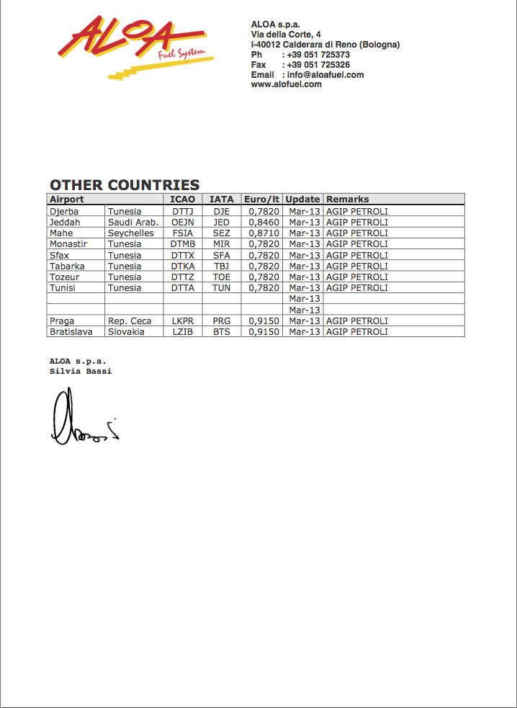

Djerba
Jeddah
Mahe
Monastir
Sfax
Tabarka
Tozeur
Tunisi
Praga
Bratislawa

6
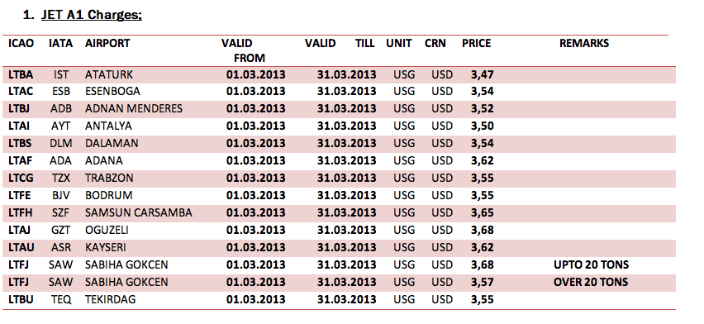
AIRPORT | IATA | ICAO | COUNTRY | Base Price Range From | Base Price Range To | BASE PRICE | Estimated Taxes | Estimated Total Price | CURRENCY | AMOUNT | UNIT | VALID FROM | VALID TO | FBO | MERCHANT | SUPPLIER | FUEL TYPE | FUEL LOCATION | NOTES | contact details E-Mail | contact details phone | contact details FAX
Istanbul Atatürk Airport | IST | LTBA | Turkey | 1 | 99999 | 3.4700 |  |  | USD | 1 | USG | 2013-03-01 | 2013-03-31 |  |  |  | Jet A-1 |  | NIL
Esenboğa Int. Airport | ESB | LTAC | Turkey | 1 | 99999 | 3.5400 |  |  | USD | 1 | USG | 2013-03-01 | 2013-03-31 |  |  |  | Jet A-1 |  | NIL
Adnan Menderes Airport | ADB | LTBJ | Turkey | 1 | 99999 | 3.5200 |  |  | USD | 1 | USG | 2013-03-01 | 2013-03-31 |  |  |  | Jet A-1 |  | NIL
Antalya Airport | AYT | LTAI | Turkey | 1 | 99999 | 3.5000 |  |  | USD | 1 | USG | 2013-03-01 | 2013-03-31 |  |  |  | Jet A-1 |  | NIL
Dalaman Airport | DLM | LTBS | Turkey | 1 | 99999 | 3.5400 |  |  | USD | 1 | USG | 2013-03-01 | 2013-03-31 |  |  |  | Jet A-1 |  | NIL
Adana Şakirpaşa Airport | ADA | LTAF | Turkey | 1 | 99999 | 3.6200 |  |  | USD | 1 | USG | 2013-03-01 | 2013-03-31 |  |  |  | Jet A-1 |  | NIL
Trabzon Airport | TZX | LTCG | Turkey | 1 | 99999 | 3.5500 |  |  | USD | 1 | USG | 2013-03-01 | 2013-03-31 |  |  |  | Jet A-1 |  | NIL
Milas-Bodrum Airport | BJV | LTFE | Turkey | 1 | 99999 | 3.5500 |  |  | USD | 1 | USG | 2013-03-01 | 2013-03-31 |  |  |  | Jet A-1 |  | NIL
Carsamba Airport | SZF | LTFH | Turkey | 1 | 99999 | 3.6500 |  |  | USD | 1 | USG | 2013-03-01 | 2013-03-31 |  |  |  | Jet A-1 |  | NIL
Oğuzeli Airport | GZT | LTAJ | Turkey | 1 | 99999 | 3.6800 |  |  | USD | 1 | USG | 2013-03-01 | 2013-03-31 |  |  |  | Jet A-1 |  | NIL
Erkilet Int. Airport | ASR | LTAU | Turkey | 1 | 99999 | 3.6200 |  |  | USD | 1 | USG | 2013-03-01 | 2013-03-31 |  |  |  | Jet A-1 |  | NIL
Sabiha Gökçen Int. Airport | SAW | LTFJ | Turkey | 1 | 99999 | 3.6800 |  |  | USD | 1 | USG | 2013-03-01 | 2013-03-31 |  |  |  | Jet A-1 |  | NIL
Çorlu Airport | TEQ | LTBU | Turkey | 1 | 99999 | 3.5500 |  |  | USD | 1 | USG | 2013-03-01 | 2013-03-31 |  |  |  | Jet A-1 |  | NIL

10
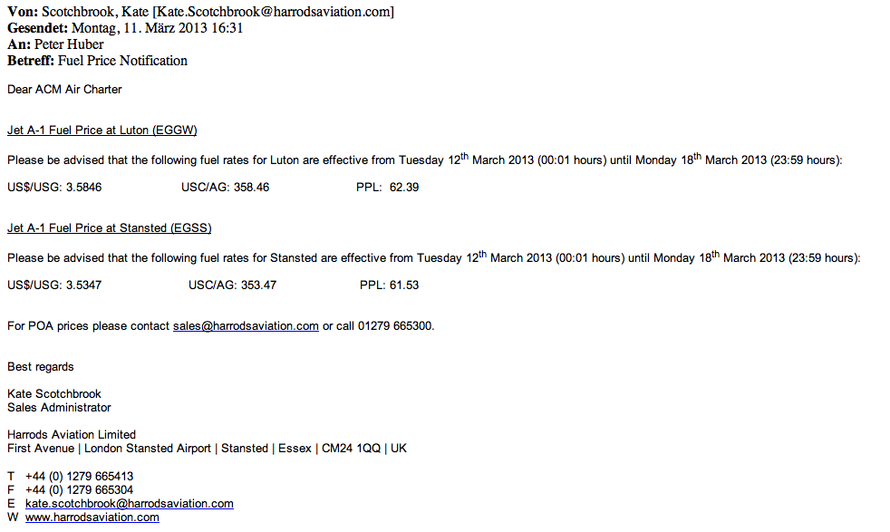
AIRPORT | IATA | ICAO | COUNTRY | Base Price Range From | Base Price Range To | BASE PRICE | Estimated Taxes | Estimated Total Price | CURRENCY | AMOUNT | UNIT | VALID FROM | VALID TO | FBO | MERCHANT | SUPPLIER | FUEL TYPE | FUEL LOCATION | NOTES | contact details E-Mail | contact details phone | contact details FAX
London Luton Airport | LTN | EGGW | United Kingdom | 1 | 99999 | 3.5846 |  |  | USD | 1 | USG | 2013-03-12 | 2013-03-18 | Harrods Aviation Ltd |  |  |  |  | PPL 62.39 | sales@harrods-aviation.com | +44 1279 6653 00
London Stansted Airport | STN | EGSS | United Kingdom | 1 | 99999 | 3.5347 |  |  | USD | 1 | USG | 2013-03-12 | 2013-03-18 | Harrods Aviation Ltd |  |  |  |  | PPL 61.53 | sales@harrods-aviation.com | +44 1279 6653 00

11
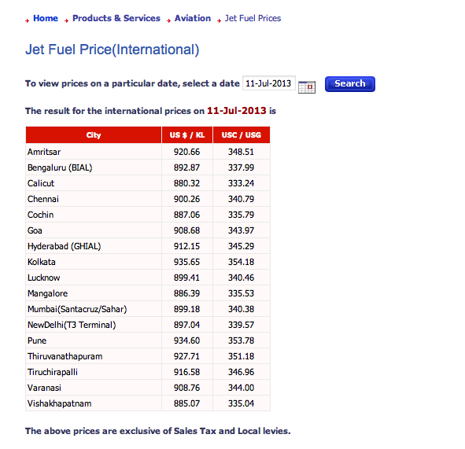
 |  | AIRPORT | IATA | ICAO | COUNTRY | Base Price Range From | Base Price Range To | BASE PRICE | Estimated Taxes | Estimated Total Price | CURRENCY | AMOUNT | UNIT | VALID FROM | VALID TO | FBO | MERCHANT | SUPPLIER | FUEL TYPE | FUEL LOCATION | NOTES | contact details E-Mail | contact details phone | contact details FAX
 |  | Bengaluru International Airport |  | VOBL | India | 1 | 99999 | 3.8911 |  |  | USD | 1 | USG | 2013-03-01 | 2013-03-31 |  |  |  | Jet A-1 |  | NIL
 |  | Calicut Airport |  | VOCL | India | 1 | 99999 | 3.8349 |  |  |  |  |  | 2013-03-01 | 2013-03-31 |  |  |  | Jet A-2 |  | NIL
 |  | Chennai International Airport |  | VOMM | India | 1 | 99999 | 3.9130 |  |  |  |  |  | 2013-03-01 | 2013-03-31 |  |  |  | Jet A-3 |  | NIL
 |  | Cochin International Airport |  | VOCI | India | 1 | 99999 | 3.8603 |  |  |  |  |  | 2013-03-01 | 2013-03-31 |  |  |  | Jet A-4 |  | NIL
 |  | Goa International Airport |  | VOGO | India | 1 | 99999 | 3.9428 |  |  |  |  |  | 2013-03-01 | 2013-03-31 |  |  |  | Jet A-5 |  | NIL
 |  | Rajiv Gandhi International Airport |  | VOHS | India | 1 | 99999 | 3.9675 |  |  |  |  |  | 2013-03-01 | 2013-03-31 |  |  |  | Jet A-6 |  | NIL
 |  | Netaji Subhas Chandra Bose Int. Airport |  | VECC | India | 1 | 99999 | 4.0455 |  |  |  |  |  | 2013-03-01 | 2013-03-31 |  |  |  | Jet A-7 |  | NIL
 |  | Amausi Airport |  | VILK | India | 1 | 99999 | 3.9092 |  |  |  |  |  | 2013-03-01 | 2013-03-31 |  |  |  | Jet A-8 |  | NIL
 |  | Mangalore International Airport |  | VOML | India | 1 | 99999 | 3.8580 |  |  |  |  |  | 2013-03-01 | 2013-03-31 |  |  |  | Jet A-9 |  | NIL
 |  | Chhatrapati Shivaji International Airport |  | VABB | India | 1 | 99999 | 3.9061 |  |  |  |  |  | 2013-03-01 | 2013-03-31 |  |  |  | Jet A-10 |  | NIL
 |  | Indira Gandhi International Airport |  | VIDP | India | 1 | 99999 | 3.9033 |  |  |  |  |  | 2013-03-01 | 2013-03-31 |  |  |  | Jet A-11 |  | NIL
 |  | Trivandrum International Airport |  | VOTV | India | 1 | 99999 | 4.0145 |  |  |  |  |  | 2013-03-01 | 2013-03-31 |  |  |  | Jet A-12 |  | NIL
 |  | Tiruchirapalli international Airport |  | VOTR | India | 1 | 99999 | 3.9718 |  |  |  |  |  | 2013-03-01 | 2013-03-31 |  |  |  | Jet A-13 |  | NIL
 |  | Visakhapatnam Airport |  | VEVZ | India | 1 | 99999 | 3.8411 |  |  |  |  |  | 2013-03-01 | 2013-03-31 |  |  |  | Jet A-14 |  | NIL

Quelle | http://www.hindustanpetroleum.com/En/UI/hp-aviation-ATF-pricing-india.aspx?Type=1#

17
